OUTLOOK
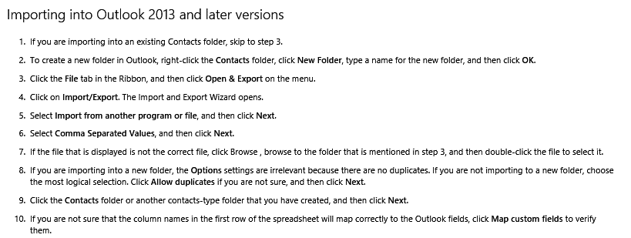

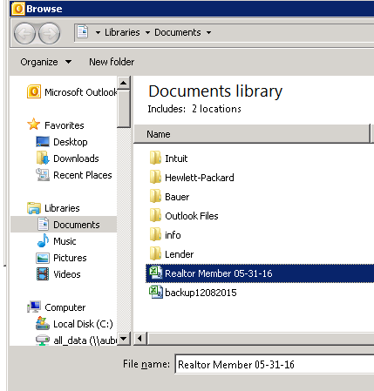
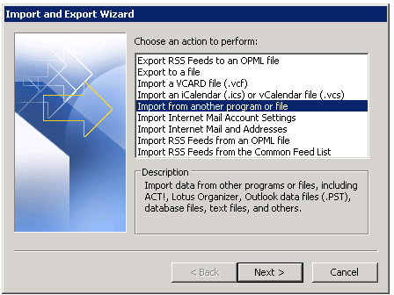

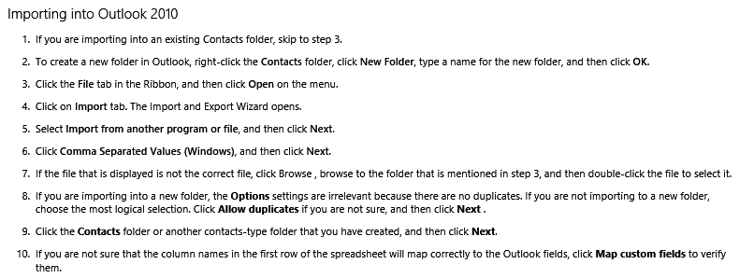

GOOGLE
Import contacts as a CSV file
To import contacts to Gmail:
1. Create a custom CSV file, or export the address book from your other webmail provider or email client as a CSV file.
2. Sign in to Gmail.
3. At the top-left corner, click Gmail > Contacts.
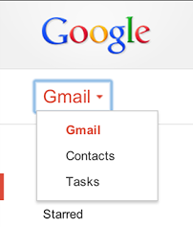

4. Above the contacts list, click More > Import....
5. Click Choose File.
6. Select the file you'd like to upload.
7. Click Import.
When it's done, Gmail will display the number of contacts imported.
If you receive any error messages during the import, you might need to edit your CSV file.
About CSV files
These CSV files work with Outlook, Outlook Express, Yahoo! Mail, Hotmail, Eudora, and some other email providers. But the CSV files that these applications produce might not contain all of the supported contact fields. For example, when Outlook exports to a CSV file, it omits data including attachments, distribution lists, contact pictures, the "file as" field, the "alias" field, and text formatting in the "notes" field. Google Contacts doesn’t have a way to know what was omitted, so we suggest that you manually copy over any important information in these fields after you import your contacts.
Notes
Google Contacts doesn't support rich text formatting, or unlimited length in the “notes” field. When we're unable to import a certain field from the CSV, we do our best to let you know so that you can fix it manually.
The maximum size for a contact is 128 KB. If a contact exceeds this size, the "notes" field might be truncated

